Hiearchy View
CLASS: ROOM
space that can be occupied or where something can be done, especially viewed in terms of whether there is enough. |  | 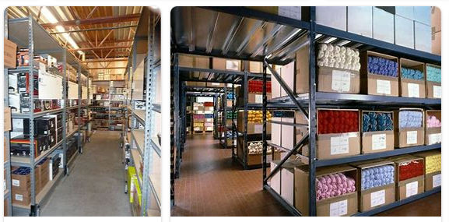
REMOVE | N

PROBLEM_DESC | CAUSE_DESC | REMEDY_DESC
BROKEN/DAMAGED
LEAKING
LIGHTING
OTHER PROBLEM
OVERHEATING
PESTS
POWER-ELEC
SMELL
STOPPED/SLOWED/POOR OPS
TEMP-CTRL
VIBRATION
Grand Total

